AI Assessment - Graphic
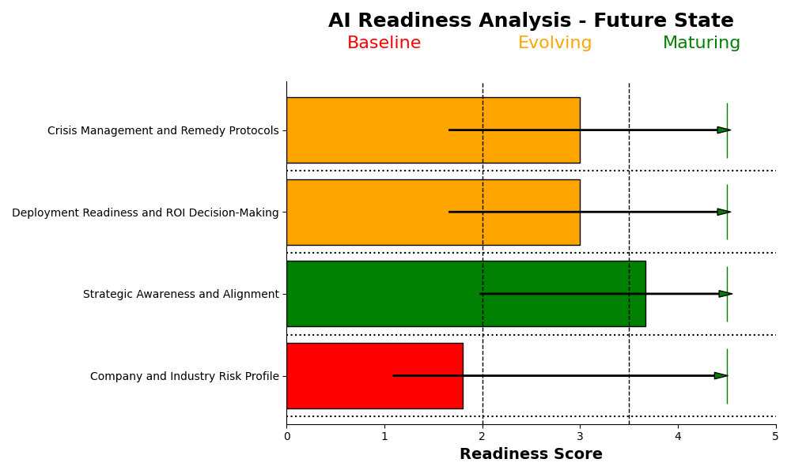
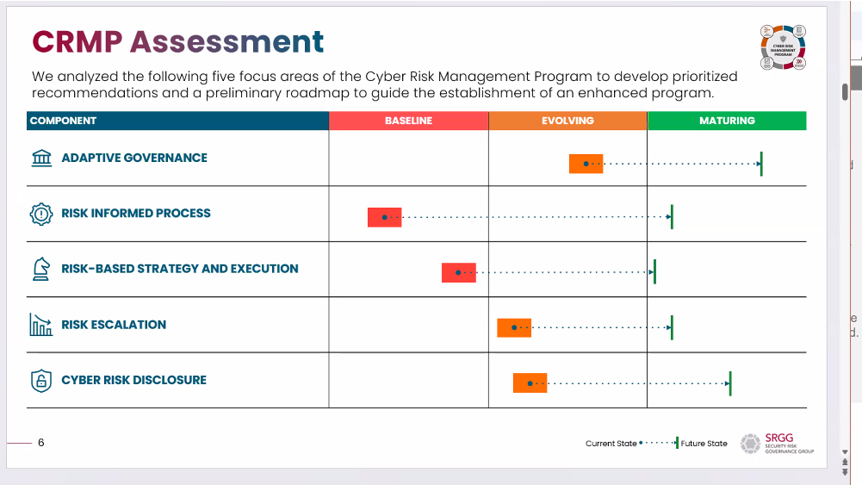
AI Strategy and Risk Assessment |  | Current | Future State
Use Case: GenAI CRM Module

 |  |  | Baseline | Evolving | Mature
[icon] | Agile Governance
[icon] | Responsible AI Approach
[icon] | Risk-Informed System
[icon] | Strategy and Execution
[icon] | Risk Escalation and Reporting

AI Assesment - Text
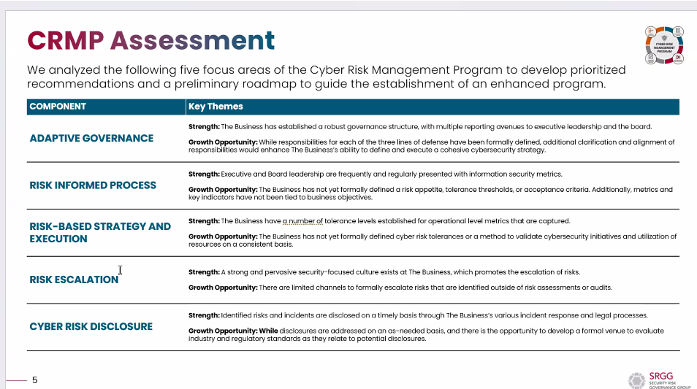

Section Overview
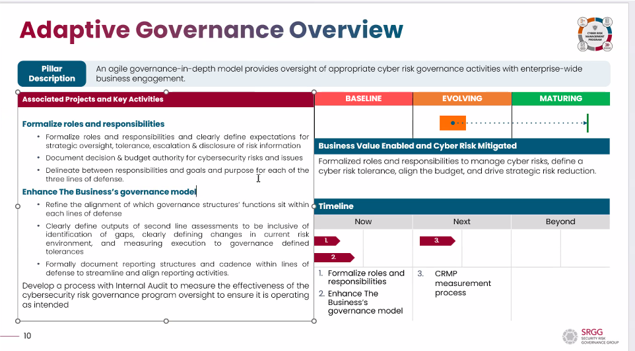

Residual Risks
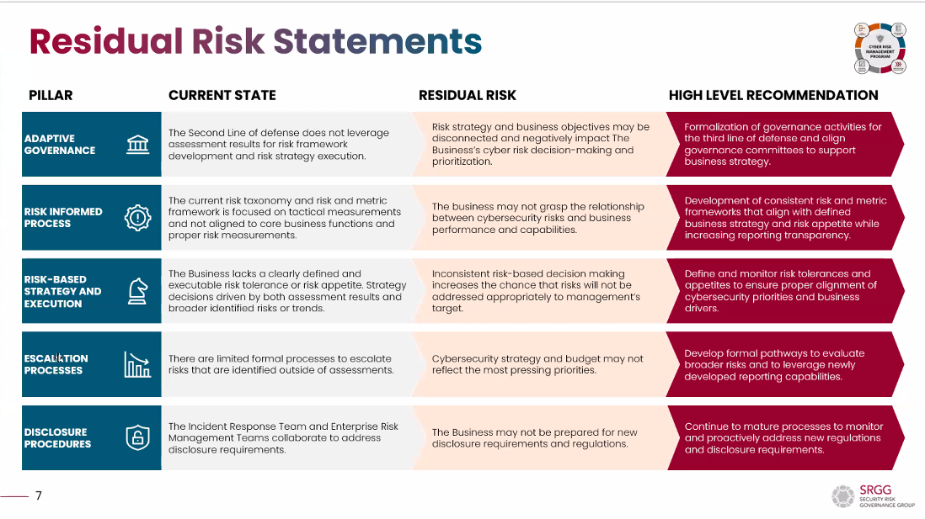

Risk Heatmap
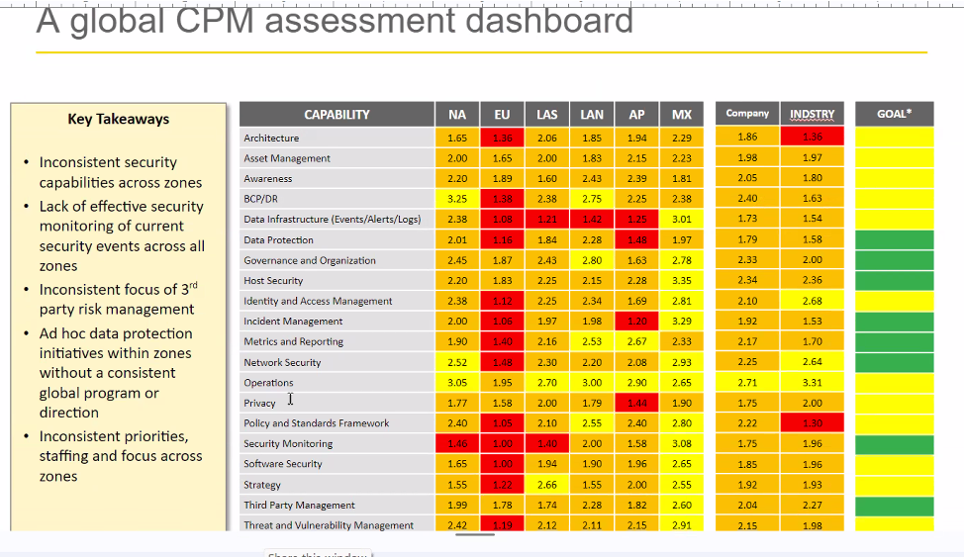

Project Plan
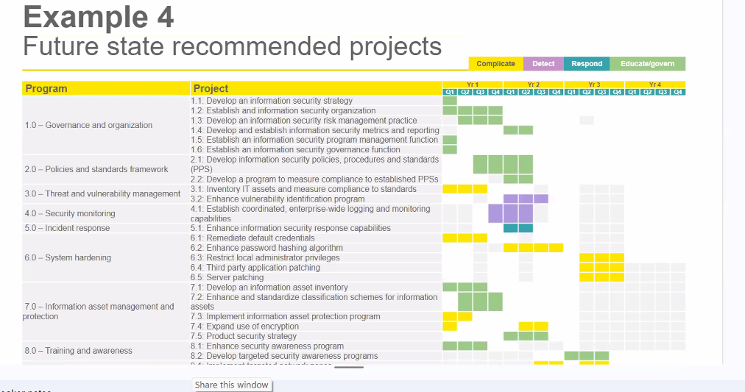

9-13-2024
Survey_Questions | Risk_Scores | User_Score | Section_Total | Heatmap_Data
Company and Industry Risk Profile |  |  | 4.200
1. Industry Identification:
What industry does your organization belong to? [pick list] |  |  |  | Titles | Scores
( ) Financial Services | 5 | 5 |  | Company and Industry Risk Profile | 4.200
( ) Healthcare and Life Sciences | 5 |  |  | Strategic Awareness and Alignment | 2.333
( ) Manufacturing | 1 |  |  | Deployment Readiness and ROI Decision-Making | 3.000
( ) Information Technology and Software | 2 |  |  | Crisis Management and Remedy Protocols | 3.000
( ) Retail and Consumer Goods | 3
AI Readiness Risk Heatmap
( ) Government and Public Administration | 5
( ) Energy and Utilities | 4
( ) Transportation and Logistics | 3
( ) Education | 3
( ) Construction and Real Estate | 1
( ) Media and Entertainment | 1
( ) Hospitality and Tourism | 3
2. Company Size:
What is the size of your company?
( ) Small (1-50 employees) | 1
( ) Medium (51-200 employees) | 2
( ) Large (201-500 employees) | 3
( ) Enterprise (500+ employees) | 4 | 4
3. Public Entity Status:
Is your organization a public entity subject to SEC regulations?
( ) Yes | 5 | 5
( ) No | 2
4. Data Sensitivity:
Do you maintain private or sensitive consumer or business data?
( ) Yes | 5 | 5
( ) No | 1
5. Regulatory Environment:
Is your organization regulated?
( ) Yes | 5 | 5
( ) No | 1
If yes, who are your primary government regulators? (Please specify) | [Text] | OSFI, SEC, FINRA, MSRB, CFTC, State Securities
6. AI Priority in Industry:
Within your industry and what you know about your competitors, is AI implementation a priority?
( ) 1 - Not a priority | 1
( ) 2 | 2
( ) 3 | 3
( ) 4 | 4
( ) 5 - One of the top priorities | 5 | 5
7. AI Objectives:
What are your company’s primary objectives for implementing AI? (Select all that apply)
( ) Accelerate the Sales Cycle | 2
( ) Improve Customer Experience | 3 | 3
( ) Bring Products/Services to Market Faster | 3 | 3
( ) Enhance Internal Operational Efficiencies | 4 | 4
( ) Drive Innovation and Competitive Advantage | 3 | 3

Strategic Awareness and Alignment |  |  | 2.333
8. Alignment with Strategic Priorities:
How aligned is your organization’s understanding of AI with your overall organizational priorities, values and incentives?
( ) Not aligned | 5
( ) Somewhat aligned | 4
( ) Well aligned | 3
( ) Fully aligned and integral to the strategy | 2 | 2
9. Leadership Communication:
Does your leadership team have regular communications about priorities and progress of AI across the organization?
( ) Rarely | 5
( ) Occasionally | 4
( ) Frequently | 3 | 3
( ) Always | 2
10. Dedicated Leadership Roles:
Are there dedicated leadership roles within your organization specifically for Responsible AI oversight and decision-making?
( ) Yes | 2 | 2
( ) No | 5

Deployment Readiness and ROI Decision-Making |  |  | 3.000
11. State of AI Implementation:
What is the current state of AI implementation in your organization?
( ) Early consideration | 5
( ) Planning stage | 5
( ) Pilot projects | 4
( ) Limited implementation | 4 | 4
( ) Extensive implementation | 4
( ) In production | 3
12. Formal Framework for AI Oversight:
Does your organization have a formal framework or program in place to manage AI governance and impact analysis?
( ) None in place yet | 5
( ) Under consideration | 5
( ) AI software application standards in place | 4
( ) policies and governance in place | 4
( ) both software standards and policies | 3 | 3
13. Tracking and Updates:
How effectively does your organization track AI assets and key metrics related to AI deployment (e.g., ROI, incidents, risks, KPIs efficiency gains)?
( ) No tracking system in place | 5
( ) Basic tracking with manual updates | 4
( ) Automated tracking but needs improvement | 3
( ) Robust, real-time tracking and reporting system | 2 | 2

Crisis Management and Remedy Protocols |  |  | 3.000
14. Alert and Risk Systems:
Do you have processes in place to alert leadership if AI deployments encounter issues that require immediate action?
( ) No processes in place | 5
( ) Basic alert system, not fully reliable | 4
( ) Effective alert system with room for improvement | 3 | 3
( ) Robust and reliable alert system for real-time issue management | 2
15. Crisis Response Confidence:
How confident are you in your organization’s ability to respond swiftly to AI-related crises?
( ) Not confident | 5
( ) Somewhat confident | 4
( ) Confident, but with identified gaps | 3 | 3
( ) Fully confident with tested contingency plans | 2

Thank You and Next Steps
Thank You for Your Participation:
Thank you for taking the time to complete our AI Readiness Survey. Your insights are invaluable in helping us understand how organizations like yours are preparing for AI adoption.
Free Heatmap Report Offer:
As a token of our appreciation, we would like to offer you a free heatmap report that analyzes your AI deployment readiness compared to industry benchmarks. This report will highlight key areas of strength and opportunities for improvement in your AI strategy.
If you are interested in receiving this personalized report, please provide your contact information below:

Company Name: ______________ |  | John Hancock
Name: __________________ |  | Paul Dickinson
Title: _______________ |  | Chief Compliance Officer
Email: ______________________ |  | pdickinson@jhancock.com
Phone (optional): _________________

{'correct_answers': '5',
'correct_answers_values': '{"question1":["Financial '
'Services"],"question3":"No","question4":"Yes","question5":["Yes",{"regulatory_details":"NCUA, '
'FRB, CFPB, FinCEN"}],"question7":["Improve '
'Customer Experience"]}',
'created_at': '2024-09-02 18:56:17',
'id': '26',
'question_group': 'Company and Industry Risk Profile',
'total_questions': '7',
'userId': 'user_6',
'user_info': ''},
{'correct_answers': '1',
'correct_answers_values': '{"question9":"Occasionally"}',
'created_at': '2024-09-02 18:56:17',
'id': '27',
'question_group': 'Strategic Awareness and Alignment',
'total_questions': '3',
'userId': 'user_6',
'user_info': ''},
{'correct_answers': '1',
'correct_answers_values': '{"question13":"No tracking system in place"}',
'created_at': '2024-09-02 18:56:17',
'id': '28',
'question_group': 'Deployment Readiness and ROI Decision-Making',
'total_questions': '3',
'userId': 'user_6',
'user_info': ''},
{'correct_answers': '2',
'correct_answers_values': '{"question14":"No processes in '
'place","question15":"Not confident"}',
'created_at': '2024-09-02 18:56:17',
'id': '29',
'question_group': 'Crisis Management and Remedy Protocols',
'total_questions': '2',
'userId': 'user_6',
'user_info': ''},
{'correct_answers': '0',
'correct_answers_values': '',
'created_at': '2024-09-02 18:56:17',
'id': '30',
'question_group': 'Thank You and Next Steps',
'total_questions': '0',
'userId': 'user_6',
'user_info': '{"company_name":"Regional Bank, Inc.","name":"Walt '
'Banker","title":"SVP Enterprise '
'Risk","email":"walk@mybank.com","phone":"971-222-3232"}'}]

